Share E-Mopeds+E-Motorcycles
Country | 2000 | 2001 | 2002 | 2003 | 2004 | 2005 | 2006 | 2007 | 2008 | 2009 | 2010 | 2011 | 2012 | 2013 | 2014 | 2015 | 2016 | 2017 | 2018 | 2019 | 2020 | 2021 | 2022 | 2023 | 2024 | 2025 | 2026 | 2027 | 2028 | 2029 | 2030 | 2031 | 2032 | 2033 | 2034 | 2035 | 2036 | 2037 | 2038 | 2039 | 2040 | 2041 | 2042 | 2043 | 2044 | 2045 | 2046 | 2047 | 2048 | 2049 | 2050
AUT | 6.13% | 6.13% | 6.13% | 6.13% | 6.13% | 6.13% | 6.13% | 6.13% | 6.13% | 6.13% | 6.13% | 6.13% | 5.44% | 3.26% | 3.42% | 3.04% | 7.15% | 4.00% | 3.82% | 2.76% | 3.78% | 4.80% | 4.48% | 4.26% | 4.26% | 4.26% | 4.26% | 4.26% | 4.26% | 4.26% | 4.26% | 4.26% | 4.26% | 4.26% | 4.26% | 4.26% | 4.26% | 4.26% | 4.26% | 4.26% | 4.26% | 4.26% | 4.26% | 4.26% | 4.26% | 4.26% | 4.26% | 4.26% | 4.26% | 4.26% | 4.26%
BEL | 0.28% | 0.28% | 0.28% | 0.28% | 0.28% | 0.28% | 0.28% | 0.28% | 0.28% | 0.28% | 0.28% | 0.28% | 0.53% | 0.48% | 1.48% | 3.74% | 6.13% | 17.03% | 21.02% | 20.63% | 14.62% | 12.11% | 11.30% | 10.77% | 10.76% | 10.76% | 10.76% | 10.76% | 10.76% | 10.76% | 10.76% | 10.76% | 10.76% | 10.76% | 10.76% | 10.76% | 10.76% | 10.76% | 10.76% | 10.76% | 10.76% | 10.76% | 10.76% | 10.76% | 10.76% | 10.76% | 10.76% | 10.76% | 10.76% | 10.76% | 10.76%
BGR | 0.00% | 0.00% | 0.00% | 0.00% | 0.00% | 0.00% | 0.00% | 0.00% | 0.00% | 0.00% | 0.00% | 0.00% | 0.01% | 0.01% | 0.00% | 0.00% | 0.00% | 0.00% | 0.00% | 0.00% | 0.00% | 0.00% | 0.00% | 0.00% | 0.00% | 0.00% | 0.00% | 0.00% | 0.00% | 0.00% | 0.00% | 0.00% | 0.00% | 0.00% | 0.00% | 0.00% | 0.00% | 0.00% | 0.00% | 0.00% | 0.00% | 0.00% | 0.00% | 0.00% | 0.00% | 0.00% | 0.00% | 0.00% | 0.00% | 0.00% | 0.00%
CHE | 17.08% | 17.08% | 17.08% | 17.08% | 17.08% | 17.08% | 17.08% | 17.08% | 17.08% | 17.08% | 17.08% | 17.08% | 18.40% | 24.66% | 15.74% | 13.00% | 8.42% | 3.08% | 3.17% | 3.10% | 3.02% | 3.83% | 3.81% | 3.87% | 3.87% | 3.87% | 3.87% | 3.87% | 3.87% | 3.87% | 3.87% | 3.87% | 3.87% | 3.87% | 3.87% | 3.87% | 3.87% | 3.87% | 3.87% | 3.87% | 3.87% | 3.87% | 3.87% | 3.87% | 3.87% | 3.87% | 3.87% | 3.87% | 3.87% | 3.87% | 3.87%
CYP | 0.00% | 0.00% | 0.00% | 0.00% | 0.00% | 0.00% | 0.00% | 0.00% | 0.00% | 0.00% | 0.00% | 0.00% | 0.00% | 0.11% | 0.14% | 0.02% | 0.03% | 0.18% | 0.21% | 0.21% | 0.20% | 0.25% | 0.25% | 0.25% | 0.27% | 0.27% | 0.27% | 0.27% | 0.27% | 0.27% | 0.27% | 0.27% | 0.27% | 0.27% | 0.27% | 0.27% | 0.27% | 0.27% | 0.27% | 0.27% | 0.27% | 0.27% | 0.27% | 0.27% | 0.27% | 0.27% | 0.27% | 0.27% | 0.27% | 0.27% | 0.27%
CZE | 0.00% | 0.00% | 0.00% | 0.00% | 0.00% | 0.00% | 0.00% | 0.00% | 0.00% | 0.00% | 0.00% | 0.00% | 0.00% | 2.35% | 1.14% | 0.54% | 0.87% | 0.61% | 0.67% | 1.17% | 1.61% | 2.04% | 1.90% | 1.81% | 1.81% | 1.81% | 1.81% | 1.81% | 1.81% | 1.81% | 1.81% | 1.81% | 1.81% | 1.81% | 1.81% | 1.81% | 1.81% | 1.81% | 1.81% | 1.81% | 1.81% | 1.81% | 1.81% | 1.81% | 1.81% | 1.81% | 1.81% | 1.81% | 1.81% | 1.81% | 1.81%
DEU | 0.00% | 0.00% | 0.00% | 0.00% | 0.00% | 0.00% | 0.00% | 0.00% | 0.00% | 0.00% | 0.00% | 0.00% | 0.16% | 1.29% | 4.00% | 3.11% | 3.51% | 1.45% | 1.25% | 2.13% | 2.78% | 2.69% | 2.85% | 2.90% | 2.89% | 2.89% | 2.89% | 2.89% | 2.89% | 2.89% | 2.89% | 2.89% | 2.89% | 2.89% | 2.89% | 2.89% | 2.89% | 2.89% | 2.89% | 2.89% | 2.89% | 2.89% | 2.89% | 2.89% | 2.89% | 2.89% | 2.89% | 2.89% | 2.89% | 2.89% | 2.89%
DNK | 2.01% | 2.01% | 2.01% | 2.01% | 2.01% | 2.01% | 2.01% | 2.01% | 2.01% | 2.01% | 2.01% | 2.01% | 2.46% | 0.54% | 0.46% | 0.25% | 0.26% | 0.43% | 0.76% | 0.81% | 1.11% | 1.41% | 1.32% | 1.25% | 1.25% | 1.25% | 1.25% | 1.25% | 1.25% | 1.25% | 1.25% | 1.25% | 1.25% | 1.25% | 1.25% | 1.25% | 1.25% | 1.25% | 1.25% | 1.25% | 1.25% | 1.25% | 1.25% | 1.25% | 1.25% | 1.25% | 1.25% | 1.25% | 1.25% | 1.25% | 1.25%
ESP | 2.00% | 2.00% | 2.00% | 2.00% | 2.00% | 2.00% | 2.00% | 2.00% | 2.00% | 2.00% | 2.00% | 2.00% | 9.97% | 9.64% | 5.30% | 4.38% | 6.57% | 11.57% | 12.94% | 13.89% | 14.99% | 8.97% | 9.48% | 9.64% | 9.63% | 9.63% | 9.63% | 9.63% | 9.63% | 9.63% | 9.63% | 9.63% | 9.63% | 9.63% | 9.63% | 9.63% | 9.63% | 9.63% | 9.63% | 9.63% | 9.63% | 9.63% | 9.63% | 9.63% | 9.63% | 9.63% | 9.63% | 9.63% | 9.63% | 9.63% | 9.63%
EST | 0.00% | 0.00% | 0.00% | 0.00% | 0.00% | 0.00% | 0.00% | 0.00% | 0.00% | 0.00% | 0.00% | 0.00% | 0.22% | 0.01% | 0.08% | 0.21% | 0.13% | 0.04% | 0.03% | 0.06% | 0.08% | 0.10% | 0.09% | 0.09% | 0.09% | 0.09% | 0.09% | 0.09% | 0.09% | 0.09% | 0.09% | 0.09% | 0.09% | 0.09% | 0.09% | 0.09% | 0.09% | 0.09% | 0.09% | 0.09% | 0.09% | 0.09% | 0.09% | 0.09% | 0.09% | 0.09% | 0.09% | 0.09% | 0.09% | 0.09% | 0.09%
FIN | 2.61% | 2.61% | 2.61% | 2.61% | 2.61% | 2.61% | 2.61% | 2.61% | 2.61% | 2.61% | 2.61% | 2.61% | 0.96% | 0.47% | 0.35% | 0.58% | 0.67% | 0.90% | 0.91% | 0.91% | 1.24% | 1.57% | 1.47% | 1.49% | 1.49% | 1.49% | 1.49% | 1.49% | 1.49% | 1.49% | 1.49% | 1.49% | 1.49% | 1.49% | 1.49% | 1.49% | 1.49% | 1.49% | 1.49% | 1.49% | 1.49% | 1.49% | 1.49% | 1.49% | 1.49% | 1.49% | 1.49% | 1.49% | 1.49% | 1.49% | 1.49%
FRA | 16.80% | 16.80% | 16.80% | 16.80% | 16.80% | 16.80% | 16.80% | 16.80% | 16.80% | 16.80% | 16.80% | 16.80% | 12.59% | 12.64% | 14.38% | 16.56% | 21.94% | 26.92% | 23.99% | 20.78% | 14.51% | 19.31% | 20.42% | 20.75% | 20.73% | 20.73% | 20.73% | 20.73% | 20.73% | 20.73% | 20.73% | 20.73% | 20.73% | 20.73% | 20.73% | 20.73% | 20.73% | 20.73% | 20.73% | 20.73% | 20.73% | 20.73% | 20.73% | 20.73% | 20.73% | 20.73% | 20.73% | 20.73% | 20.73% | 20.73% | 20.73%
GBR | 3.18% | 3.18% | 3.18% | 3.18% | 3.18% | 3.18% | 3.18% | 3.18% | 3.18% | 3.18% | 3.18% | 3.18% | 1.70% | 0.91% | 1.46% | 2.17% | 2.35% | 0.89% | 1.09% | 1.85% | 0.96% | 2.46% | 2.45% | 2.49% | 2.48% | 2.48% | 2.48% | 2.48% | 2.48% | 2.48% | 2.48% | 2.48% | 2.48% | 2.48% | 2.48% | 2.48% | 2.48% | 2.48% | 2.48% | 2.48% | 2.48% | 2.48% | 2.48% | 2.48% | 2.48% | 2.48% | 2.48% | 2.48% | 2.48% | 2.48% | 2.48%
GRC | 0.11% | 0.11% | 0.11% | 0.11% | 0.11% | 0.11% | 0.11% | 0.11% | 0.11% | 0.11% | 0.11% | 0.11% | 0.34% | 0.25% | 0.25% | 0.32% | 0.49% | 0.09% | 0.05% | 0.15% | 0.21% | 0.26% | 0.28% | 0.28% | 0.28% | 0.28% | 0.28% | 0.28% | 0.28% | 0.28% | 0.28% | 0.28% | 0.28% | 0.28% | 0.28% | 0.28% | 0.28% | 0.28% | 0.28% | 0.28% | 0.28% | 0.28% | 0.28% | 0.28% | 0.28% | 0.28% | 0.28% | 0.28% | 0.28% | 0.28% | 0.28%
HRV | 0.00% | 0.00% | 0.00% | 0.00% | 0.00% | 0.00% | 0.00% | 0.00% | 0.00% | 0.00% | 0.00% | 0.00% | 0.00% | 0.00% | 0.07% | 1.04% | 0.27% | 0.12% | 0.56% | 0.57% | 0.78% | 0.98% | 0.98% | 0.99% | 0.99% | 0.99% | 0.99% | 0.99% | 0.99% | 0.99% | 0.99% | 0.99% | 0.99% | 0.99% | 0.99% | 0.99% | 0.99% | 0.99% | 0.99% | 0.99% | 0.99% | 0.99% | 0.99% | 0.99% | 0.99% | 0.99% | 0.99% | 0.99% | 0.99% | 0.99% | 0.99%
HUN | 0.10% | 0.10% | 0.10% | 0.10% | 0.10% | 0.10% | 0.10% | 0.10% | 0.10% | 0.10% | 0.10% | 0.10% | 0.04% | 0.05% | 0.09% | 0.13% | 0.23% | 0.04% | 0.05% | 0.06% | 0.08% | 0.11% | 0.11% | 0.11% | 0.12% | 0.12% | 0.12% | 0.12% | 0.12% | 0.12% | 0.12% | 0.12% | 0.12% | 0.12% | 0.12% | 0.12% | 0.12% | 0.12% | 0.12% | 0.12% | 0.12% | 0.12% | 0.12% | 0.12% | 0.12% | 0.12% | 0.12% | 0.12% | 0.12% | 0.12% | 0.12%
IRL | 0.00% | 0.00% | 0.00% | 0.00% | 0.00% | 0.00% | 0.00% | 0.00% | 0.00% | 0.00% | 0.00% | 0.00% | 0.00% | 0.00% | 0.04% | 0.00% | 0.01% | 0.02% | 0.03% | 0.05% | 0.07% | 0.08% | 0.08% | 0.07% | 0.07% | 0.07% | 0.07% | 0.07% | 0.07% | 0.07% | 0.07% | 0.07% | 0.07% | 0.07% | 0.07% | 0.07% | 0.07% | 0.07% | 0.07% | 0.07% | 0.07% | 0.07% | 0.07% | 0.07% | 0.07% | 0.07% | 0.07% | 0.07% | 0.07% | 0.07% | 0.07%
ISL | 0.00% | 0.00% | 0.00% | 0.00% | 0.00% | 0.00% | 0.00% | 0.00% | 0.00% | 0.00% | 0.00% | 0.00% | 0.00% | 0.00% | 0.00% | 0.00% | 0.00% | 0.02% | 0.00% | 0.03% | 0.18% | 0.23% | 0.21% | 0.22% | 0.22% | 0.22% | 0.22% | 0.22% | 0.22% | 0.22% | 0.22% | 0.22% | 0.22% | 0.22% | 0.22% | 0.22% | 0.22% | 0.22% | 0.22% | 0.22% | 0.22% | 0.22% | 0.22% | 0.22% | 0.22% | 0.22% | 0.22% | 0.22% | 0.22% | 0.22% | 0.22%
ITA | 5.57% | 5.57% | 5.57% | 5.57% | 5.57% | 5.57% | 5.57% | 5.57% | 5.57% | 5.57% | 5.57% | 5.57% | 9.28% | 8.21% | 6.87% | 5.46% | 4.76% | 4.45% | 7.00% | 7.06% | 10.88% | 7.89% | 8.35% | 8.48% | 8.47% | 8.47% | 8.47% | 8.47% | 8.47% | 8.47% | 8.47% | 8.47% | 8.47% | 8.47% | 8.47% | 8.47% | 8.47% | 8.47% | 8.47% | 8.47% | 8.47% | 8.47% | 8.47% | 8.47% | 8.47% | 8.47% | 8.47% | 8.47% | 8.47% | 8.47% | 8.47%
LTU | 0.34% | 0.34% | 0.34% | 0.34% | 0.34% | 0.34% | 0.34% | 0.34% | 0.34% | 0.34% | 0.34% | 0.34% | 0.07% | 0.10% | 0.06% | 0.06% | 0.10% | 0.08% | 0.08% | 0.10% | 0.14% | 0.18% | 0.18% | 0.18% | 0.19% | 0.19% | 0.19% | 0.19% | 0.19% | 0.19% | 0.19% | 0.19% | 0.19% | 0.19% | 0.19% | 0.19% | 0.19% | 0.19% | 0.19% | 0.19% | 0.19% | 0.19% | 0.19% | 0.19% | 0.19% | 0.19% | 0.19% | 0.19% | 0.19% | 0.19% | 0.19%
LUX | 0.21% | 0.21% | 0.21% | 0.21% | 0.21% | 0.21% | 0.21% | 0.21% | 0.21% | 0.21% | 0.21% | 0.21% | 0.17% | 0.49% | 0.40% | 0.24% | 0.20% | 0.12% | 0.27% | 0.24% | 0.33% | 0.42% | 0.42% | 0.42% | 0.45% | 0.45% | 0.45% | 0.45% | 0.45% | 0.45% | 0.45% | 0.45% | 0.45% | 0.45% | 0.45% | 0.45% | 0.45% | 0.45% | 0.45% | 0.45% | 0.45% | 0.45% | 0.45% | 0.45% | 0.45% | 0.45% | 0.45% | 0.45% | 0.45% | 0.45% | 0.45%
LVA | 0.02% | 0.02% | 0.02% | 0.02% | 0.02% | 0.02% | 0.02% | 0.02% | 0.02% | 0.02% | 0.02% | 0.02% | 0.02% | 0.06% | 0.03% | 0.05% | 0.03% | 0.05% | 0.04% | 0.22% | 0.30% | 0.38% | 0.38% | 0.38% | 0.41% | 0.41% | 0.41% | 0.41% | 0.41% | 0.41% | 0.41% | 0.41% | 0.41% | 0.41% | 0.41% | 0.41% | 0.41% | 0.41% | 0.41% | 0.41% | 0.41% | 0.41% | 0.41% | 0.41% | 0.41% | 0.41% | 0.41% | 0.41% | 0.41% | 0.41% | 0.41%
MLT | 0.00% | 0.00% | 0.00% | 0.00% | 0.00% | 0.00% | 0.00% | 0.00% | 0.00% | 0.00% | 0.00% | 0.00% | 0.00% | 0.25% | 0.23% | 0.09% | 0.26% | 0.07% | 0.17% | 0.83% | 0.12% | 0.15% | 0.15% | 0.15% | 0.16% | 0.16% | 0.16% | 0.16% | 0.16% | 0.16% | 0.16% | 0.16% | 0.16% | 0.16% | 0.16% | 0.16% | 0.16% | 0.16% | 0.16% | 0.16% | 0.16% | 0.16% | 0.16% | 0.16% | 0.16% | 0.16% | 0.16% | 0.16% | 0.16% | 0.16% | 0.16%
NLD | 41.76% | 41.76% | 41.76% | 41.76% | 41.76% | 41.76% | 41.76% | 41.76% | 41.76% | 41.76% | 41.76% | 41.76% | 36.13% | 31.94% | 43.01% | 43.58% | 31.11% | 22.65% | 17.22% | 16.32% | 20.13% | 19.78% | 19.69% | 20.01% | 19.99% | 19.99% | 19.99% | 19.99% | 19.99% | 19.99% | 19.99% | 19.99% | 19.99% | 19.99% | 19.99% | 19.99% | 19.99% | 19.99% | 19.99% | 19.99% | 19.99% | 19.99% | 19.99% | 19.99% | 19.99% | 19.99% | 19.99% | 19.99% | 19.99% | 19.99% | 19.99%
NOR | 0.00% | 0.00% | 0.00% | 0.00% | 0.00% | 0.00% | 0.00% | 0.00% | 0.00% | 0.00% | 0.00% | 0.00% | 0.00% | 0.00% | 0.00% | 0.00% | 2.10% | 1.94% | 1.22% | 1.38% | 1.45% | 1.84% | 1.72% | 1.75% | 1.75% | 1.75% | 1.75% | 1.75% | 1.75% | 1.75% | 1.75% | 1.75% | 1.75% | 1.75% | 1.75% | 1.75% | 1.75% | 1.75% | 1.75% | 1.75% | 1.75% | 1.75% | 1.75% | 1.75% | 1.75% | 1.75% | 1.75% | 1.75% | 1.75% | 1.75% | 1.75%
POL | 0.75% | 0.75% | 0.75% | 0.75% | 0.75% | 0.75% | 0.75% | 0.75% | 0.75% | 0.75% | 0.75% | 0.75% | 0.54% | 1.42% | 0.66% | 0.89% | 1.13% | 1.57% | 2.98% | 3.86% | 5.29% | 6.71% | 6.26% | 5.96% | 5.96% | 5.96% | 5.96% | 5.96% | 5.96% | 5.96% | 5.96% | 5.96% | 5.96% | 5.96% | 5.96% | 5.96% | 5.96% | 5.96% | 5.96% | 5.96% | 5.96% | 5.96% | 5.96% | 5.96% | 5.96% | 5.96% | 5.96% | 5.96% | 5.96% | 5.96% | 5.96%
PRT | 0.29% | 0.29% | 0.29% | 0.29% | 0.29% | 0.29% | 0.29% | 0.29% | 0.29% | 0.29% | 0.29% | 0.29% | 0.28% | 0.05% | 0.08% | 0.14% | 0.04% | 0.10% | 0.05% | 0.12% | 0.16% | 0.20% | 0.21% | 0.22% | 0.21% | 0.21% | 0.21% | 0.21% | 0.21% | 0.21% | 0.21% | 0.21% | 0.21% | 0.21% | 0.21% | 0.21% | 0.21% | 0.21% | 0.21% | 0.21% | 0.21% | 0.21% | 0.21% | 0.21% | 0.21% | 0.21% | 0.21% | 0.21% | 0.21% | 0.21% | 0.21%
ROU | 0.02% | 0.02% | 0.02% | 0.02% | 0.02% | 0.02% | 0.02% | 0.02% | 0.02% | 0.02% | 0.02% | 0.02% | 0.03% | 0.15% | 0.03% | 0.08% | 0.23% | 0.05% | 0.00% | 0.01% | 0.02% | 0.02% | 0.02% | 0.02% | 0.02% | 0.02% | 0.02% | 0.02% | 0.02% | 0.02% | 0.02% | 0.02% | 0.02% | 0.02% | 0.02% | 0.02% | 0.02% | 0.02% | 0.02% | 0.02% | 0.02% | 0.02% | 0.02% | 0.02% | 0.02% | 0.02% | 0.02% | 0.02% | 0.02% | 0.02% | 0.02%
SVK | 0.30% | 0.30% | 0.30% | 0.30% | 0.30% | 0.30% | 0.30% | 0.30% | 0.30% | 0.30% | 0.30% | 0.30% | 0.28% | 0.20% | 0.09% | 0.17% | 0.21% | 0.11% | 0.07% | 0.30% | 0.41% | 0.52% | 0.48% | 0.49% | 0.49% | 0.49% | 0.49% | 0.49% | 0.49% | 0.49% | 0.49% | 0.49% | 0.49% | 0.49% | 0.49% | 0.49% | 0.49% | 0.49% | 0.49% | 0.49% | 0.49% | 0.49% | 0.49% | 0.49% | 0.49% | 0.49% | 0.49% | 0.49% | 0.49% | 0.49% | 0.49%
SVN | 0.30% | 0.30% | 0.30% | 0.30% | 0.30% | 0.30% | 0.30% | 0.30% | 0.30% | 0.30% | 0.30% | 0.30% | 0.32% | 0.41% | 0.11% | 0.14% | 0.07% | 1.16% | 0.25% | 0.29% | 0.40% | 0.50% | 0.47% | 0.48% | 0.48% | 0.48% | 0.48% | 0.48% | 0.48% | 0.48% | 0.48% | 0.48% | 0.48% | 0.48% | 0.48% | 0.48% | 0.48% | 0.48% | 0.48% | 0.48% | 0.48% | 0.48% | 0.48% | 0.48% | 0.48% | 0.48% | 0.48% | 0.48% | 0.48% | 0.48% | 0.48%
SWE | 0.12% | 0.12% | 0.12% | 0.12% | 0.12% | 0.12% | 0.12% | 0.12% | 0.12% | 0.12% | 0.12% | 0.12% | 0.05% | 0.02% | 0.03% | 0.03% | 0.72% | 0.27% | 0.08% | 0.12% | 0.16% | 0.21% | 0.19% | 0.20% | 0.20% | 0.20% | 0.20% | 0.20% | 0.20% | 0.20% | 0.20% | 0.20% | 0.20% | 0.20% | 0.20% | 0.20% | 0.20% | 0.20% | 0.20% | 0.20% | 0.20% | 0.20% | 0.20% | 0.20% | 0.20% | 0.20% | 0.20% | 0.20% | 0.20% | 0.20% | 0.20%
EU27+4 | 100.00% | 100.00% | 100.00% | 100.00% | 100.00% | 100.00% | 100.00% | 100.00% | 100.00% | 100.00% | 100.00% | 100.00% | 100.00% | 100.00% | 100.00% | 100.00% | 100.00% | 100.00% | 100.00% | 100.00% | 100.00% | 100.00% | 100.00% | 100.00% | 100.00% | 100.00% | 100.00% | 100.00% | 100.00% | 100.00% | 100.00% | 100.00% | 100.00% | 100.00% | 100.00% | 100.00% | 100.00% | 100.00% | 100.00% | 100.00% | 100.00% | 100.00% | 100.00% | 100.00% | 100.00% | 100.00% | 100.00% | 100.00% | 100.00% | 100.00% | 100.00%
E-Mopeds + E-Motorcycles

Share E-Bikes_SmallPLEVs
Country | 2000 | 2001 | 2002 | 2003 | 2004 | 2005 | 2006 | 2007 | 2008 | 2009 | 2010 | 2011 | 2012 | 2013 | 2014 | 2015 | 2016 | 2017 | 2018 | 2019 | 2020 | 2021 | 2022 | 2023 | 2024 | 2025 | 2026 | 2027 | 2028 | 2029 | 2030 | 2031 | 2032 | 2033 | 2034 | 2035 | 2036 | 2037 | 2038 | 2039 | 2040 | 2041 | 2042 | 2043 | 2044 | 2045 | 2046 | 2047 | 2048 | 2049 | 2050
AUT | 3.47% | 3.47% | 3.47% | 3.47% | 3.47% | 3.47% | 3.47% | 3.46% | 3.46% | 3.46% | 3.46% | 4.53% | 4.93% | 3.84% | 4.10% | 5.30% | 4.88% | 5.36% | 5.08% | 4.75% | 4.26% | 4.17% | 4.17% | 4.17% | 4.17% | 4.17% | 4.17% | 4.17% | 4.17% | 4.09% | 4.02% | 4.02% | 4.02% | 4.02% | 4.02% | 4.02% | 4.02% | 4.02% | 4.02% | 4.02% | 4.02% | 4.02% | 4.02% | 4.02% | 4.02% | 4.02% | 4.02% | 4.02% | 4.02% | 4.02% | 4.02%
BEL | 0.87% | 0.87% | 0.87% | 0.87% | 0.87% | 0.87% | 0.87% | 0.87% | 0.87% | 0.87% | 0.87% | 0.65% | 2.74% | 8.09% | 10.65% | 9.70% | 9.42% | 9.45% | 8.78% | 6.98% | 5.04% | 4.37% | 4.37% | 4.37% | 4.37% | 4.37% | 4.37% | 4.37% | 4.37% | 4.38% | 4.38% | 4.38% | 4.38% | 4.38% | 4.38% | 4.38% | 4.38% | 4.38% | 4.38% | 4.38% | 4.38% | 4.38% | 4.38% | 4.38% | 4.38% | 4.38% | 4.38% | 4.38% | 4.38% | 4.38% | 4.38%
BGR | 0.00% | 0.00% | 0.00% | 0.00% | 0.00% | 0.00% | 0.00% | 0.00% | 0.00% | 0.00% | 0.00% | 0.00% | 0.00% | 0.00% | 0.00% | 0.00% | 0.00% | 0.00% | 0.00% | 0.01% | 0.01% | 0.06% | 0.06% | 0.06% | 0.06% | 0.06% | 0.06% | 0.06% | 0.06% | 0.06% | 0.06% | 0.06% | 0.06% | 0.06% | 0.06% | 0.06% | 0.06% | 0.06% | 0.06% | 0.06% | 0.06% | 0.06% | 0.06% | 0.06% | 0.06% | 0.06% | 0.06% | 0.06% | 0.06% | 0.06% | 0.06%
CHE | 6.76% | 6.76% | 6.76% | 6.76% | 6.76% | 6.76% | 6.76% | 6.75% | 6.75% | 6.75% | 6.75% | 6.35% | 5.81% | 4.95% | 4.75% | 4.54% | 4.26% | 3.90% | 3.80% | 3.70% | 3.57% | 3.51% | 3.51% | 3.51% | 3.51% | 3.51% | 3.51% | 3.51% | 3.51% | 3.51% | 3.51% | 3.51% | 3.51% | 3.51% | 3.51% | 3.51% | 3.51% | 3.51% | 3.51% | 3.51% | 3.51% | 3.51% | 3.51% | 3.51% | 3.51% | 3.51% | 3.51% | 3.51% | 3.51% | 3.51% | 3.51%
CYP | 0.00% | 0.00% | 0.00% | 0.00% | 0.00% | 0.00% | 0.00% | 0.00% | 0.00% | 0.00% | 0.00% | 0.00% | 0.00% | 0.00% | 0.00% | 0.07% | 0.06% | 0.04% | 0.03% | 0.00% | 0.01% | 0.01% | 0.01% | 0.01% | 0.01% | 0.01% | 0.01% | 0.01% | 0.01% | 0.01% | 0.01% | 0.01% | 0.01% | 0.01% | 0.01% | 0.01% | 0.01% | 0.01% | 0.01% | 0.01% | 0.01% | 0.01% | 0.01% | 0.01% | 0.01% | 0.01% | 0.01% | 0.01% | 0.01% | 0.01% | 0.01%
CZE | 0.17% | 0.17% | 0.17% | 0.17% | 0.17% | 0.17% | 0.17% | 0.17% | 0.17% | 0.17% | 0.17% | 0.26% | 0.55% | 0.51% | 0.00% | 0.07% | 0.84% | 0.71% | 0.58% | 2.22% | 1.88% | 2.31% | 2.31% | 2.31% | 2.31% | 2.31% | 2.31% | 2.31% | 2.31% | 2.31% | 2.31% | 2.31% | 2.31% | 2.31% | 2.31% | 2.31% | 2.31% | 2.31% | 2.31% | 2.31% | 2.31% | 2.31% | 2.31% | 2.31% | 2.31% | 2.31% | 2.31% | 2.31% | 2.31% | 2.31% | 2.31%
DEU | 26.00% | 26.00% | 26.00% | 26.00% | 26.00% | 26.00% | 26.00% | 25.95% | 25.95% | 25.95% | 25.95% | 40.16% | 41.64% | 41.44% | 39.33% | 36.81% | 33.93% | 31.88% | 33.22% | 37.80% | 40.74% | 37.53% | 37.53% | 37.53% | 37.53% | 37.53% | 37.53% | 37.53% | 37.53% | 37.56% | 37.59% | 37.59% | 37.59% | 37.59% | 37.59% | 37.59% | 37.59% | 37.59% | 37.59% | 37.59% | 37.59% | 37.59% | 37.59% | 37.59% | 37.59% | 37.59% | 37.59% | 37.59% | 37.59% | 37.59% | 37.59%
DNK | 5.20% | 5.20% | 5.20% | 5.20% | 5.20% | 5.20% | 5.20% | 5.19% | 5.19% | 5.19% | 5.19% | 3.89% | 3.29% | 1.31% | 1.64% | 3.44% | 2.52% | 2.21% | 1.86% | 1.89% | 1.57% | 1.88% | 1.88% | 1.88% | 1.88% | 1.88% | 1.88% | 1.88% | 1.88% | 1.88% | 1.88% | 1.88% | 1.88% | 1.88% | 1.88% | 1.88% | 1.88% | 1.88% | 1.88% | 1.88% | 1.88% | 1.88% | 1.88% | 1.88% | 1.88% | 1.88% | 1.88% | 1.88% | 1.88% | 1.88% | 1.88%
ESP | 2.60% | 2.60% | 2.60% | 2.60% | 2.60% | 2.60% | 2.60% | 2.60% | 2.60% | 2.60% | 2.60% | 2.59% | 3.29% | 1.01% | 1.47% | 1.65% | 2.24% | 3.19% | 3.73% | 3.97% | 4.45% | 4.20% | 4.20% | 4.20% | 4.20% | 4.20% | 4.20% | 4.20% | 4.20% | 4.21% | 4.21% | 4.21% | 4.21% | 4.21% | 4.21% | 4.21% | 4.21% | 4.21% | 4.21% | 4.21% | 4.21% | 4.21% | 4.21% | 4.21% | 4.21% | 4.21% | 4.21% | 4.21% | 4.21% | 4.21% | 4.21%
EST | 0.00% | 0.00% | 0.00% | 0.00% | 0.00% | 0.00% | 0.00% | 0.00% | 0.00% | 0.00% | 0.00% | 0.00% | 0.00% | 0.00% | 0.00% | 0.00% | 0.11% | 0.11% | 0.10% | 0.04% | 0.03% | 0.04% | 0.04% | 0.04% | 0.04% | 0.04% | 0.04% | 0.04% | 0.04% | 0.04% | 0.04% | 0.04% | 0.04% | 0.04% | 0.04% | 0.04% | 0.04% | 0.04% | 0.04% | 0.04% | 0.04% | 0.04% | 0.04% | 0.04% | 0.04% | 0.04% | 0.04% | 0.04% | 0.04% | 0.04% | 0.04%
FIN | 0.52% | 0.52% | 0.52% | 0.52% | 0.52% | 0.52% | 0.52% | 0.52% | 0.52% | 0.52% | 0.52% | 0.39% | 0.55% | 1.01% | 1.23% | 1.03% | 1.12% | 0.27% | 0.51% | 0.47% | 0.52% | 0.75% | 0.75% | 0.75% | 0.75% | 0.75% | 0.75% | 0.75% | 0.75% | 0.75% | 0.75% | 0.75% | 0.75% | 0.75% | 0.75% | 0.75% | 0.75% | 0.75% | 0.75% | 0.75% | 0.75% | 0.75% | 0.75% | 0.75% | 0.75% | 0.75% | 0.75% | 0.75% | 0.75% | 0.75% | 0.75%
FRA | 6.93% | 6.93% | 6.93% | 6.93% | 6.93% | 6.93% | 6.93% | 6.92% | 6.92% | 6.92% | 6.92% | 5.18% | 5.04% | 5.66% | 6.39% | 7.02% | 7.51% | 12.31% | 11.46% | 10.78% | 10.76% | 12.37% | 12.37% | 12.37% | 12.37% | 12.37% | 12.37% | 12.37% | 12.37% | 12.38% | 12.39% | 12.39% | 12.39% | 12.39% | 12.39% | 12.39% | 12.39% | 12.39% | 12.39% | 12.39% | 12.39% | 12.39% | 12.39% | 12.39% | 12.39% | 12.39% | 12.39% | 12.39% | 12.39% | 12.39% | 12.39%
GBR | 5.20% | 5.20% | 5.20% | 5.20% | 5.20% | 5.20% | 5.20% | 5.19% | 5.19% | 5.19% | 5.19% | 2.59% | 3.29% | 2.53% | 4.10% | 2.75% | 4.21% | 3.01% | 2.07% | 2.81% | 3.20% | 4.32% | 4.32% | 4.32% | 4.32% | 4.32% | 4.32% | 4.32% | 4.32% | 4.32% | 4.32% | 4.32% | 4.32% | 4.32% | 4.32% | 4.32% | 4.32% | 4.32% | 4.32% | 4.32% | 4.32% | 4.32% | 4.32% | 4.32% | 4.32% | 4.32% | 4.32% | 4.32% | 4.32% | 4.32% | 4.32%
GRC | 0.17% | 0.17% | 0.17% | 0.17% | 0.17% | 0.17% | 0.17% | 0.17% | 0.17% | 0.17% | 0.17% | 0.13% | 0.11% | 0.10% | 0.08% | 0.07% | 0.11% | 0.09% | 0.07% | 0.06% | 0.11% | 0.09% | 0.09% | 0.09% | 0.09% | 0.09% | 0.09% | 0.09% | 0.09% | 0.09% | 0.09% | 0.09% | 0.09% | 0.09% | 0.09% | 0.09% | 0.09% | 0.09% | 0.09% | 0.09% | 0.09% | 0.09% | 0.09% | 0.09% | 0.09% | 0.09% | 0.09% | 0.09% | 0.09% | 0.09% | 0.09%
HRV | 0.00% | 0.00% | 0.00% | 0.00% | 0.00% | 0.00% | 0.00% | 0.00% | 0.00% | 0.00% | 0.00% | 0.00% | 0.00% | 0.00% | 0.00% | 0.00% | 0.06% | 0.04% | 0.03% | 0.08% | 0.10% | 0.09% | 0.09% | 0.09% | 0.09% | 0.09% | 0.09% | 0.09% | 0.09% | 0.09% | 0.09% | 0.09% | 0.09% | 0.09% | 0.09% | 0.09% | 0.09% | 0.09% | 0.09% | 0.09% | 0.09% | 0.09% | 0.09% | 0.09% | 0.09% | 0.09% | 0.09% | 0.09% | 0.09% | 0.09% | 0.09%
HUN | 0.17% | 0.17% | 0.17% | 0.17% | 0.17% | 0.17% | 0.17% | 0.17% | 0.17% | 0.17% | 0.17% | 0.13% | 0.05% | 0.10% | 0.04% | 0.07% | 0.11% | 0.15% | 0.17% | 0.14% | 0.12% | 0.43% | 0.43% | 0.43% | 0.43% | 0.43% | 0.43% | 0.43% | 0.43% | 0.43% | 0.43% | 0.43% | 0.43% | 0.43% | 0.43% | 0.43% | 0.43% | 0.43% | 0.43% | 0.43% | 0.43% | 0.43% | 0.43% | 0.43% | 0.43% | 0.43% | 0.43% | 0.43% | 0.43% | 0.43% | 0.43%
IRL | 0.17% | 0.17% | 0.17% | 0.17% | 0.17% | 0.17% | 0.17% | 0.17% | 0.17% | 0.17% | 0.17% | 0.13% | 0.22% | 0.20% | 0.16% | 0.14% | 0.17% | 0.14% | 0.12% | 0.15% | 0.11% | 0.75% | 0.75% | 0.75% | 0.75% | 0.75% | 0.75% | 0.75% | 0.75% | 0.75% | 0.75% | 0.75% | 0.75% | 0.75% | 0.75% | 0.75% | 0.75% | 0.75% | 0.75% | 0.75% | 0.75% | 0.75% | 0.75% | 0.75% | 0.75% | 0.75% | 0.75% | 0.75% | 0.75% | 0.75% | 0.75%
ISL | 0.00% | 0.00% | 0.00% | 0.00% | 0.00% | 0.00% | 0.00% | 0.00% | 0.00% | 0.00% | 0.00% | 0.00% | 0.01% | 0.03% | 0.04% | 0.07% | 0.12% | 0.15% | 0.14% | 0.11% | 0.08% | 0.10% | 0.11% | 0.09% | 0.09% | 0.09% | 0.09% | 0.09% | 0.09% | 0.09% | 0.09% | 0.09% | 0.09% | 0.09% | 0.09% | 0.09% | 0.09% | 0.09% | 0.09% | 0.09% | 0.09% | 0.09% | 0.09% | 0.09% | 0.09% | 0.09% | 0.09% | 0.09% | 0.09% | 0.09% | 0.09%
ITA | 8.67% | 8.67% | 8.67% | 8.67% | 8.67% | 8.67% | 8.67% | 8.65% | 8.65% | 8.65% | 8.65% | 6.48% | 5.04% | 5.16% | 4.18% | 3.85% | 6.95% | 6.55% | 5.86% | 5.42% | 5.85% | 5.54% | 5.54% | 5.54% | 5.54% | 5.54% | 5.54% | 5.54% | 5.54% | 5.54% | 5.54% | 5.54% | 5.54% | 5.54% | 5.54% | 5.54% | 5.54% | 5.54% | 5.54% | 5.54% | 5.54% | 5.54% | 5.54% | 5.54% | 5.54% | 5.54% | 5.54% | 5.54% | 5.54% | 5.54% | 5.54%
LTU | 0.00% | 0.00% | 0.00% | 0.00% | 0.00% | 0.00% | 0.00% | 0.00% | 0.00% | 0.00% | 0.00% | 0.00% | 0.22% | 0.30% | 0.25% | 0.21% | 0.22% | 0.31% | 0.34% | 0.14% | 0.10% | 0.06% | 0.06% | 0.06% | 0.06% | 0.06% | 0.06% | 0.06% | 0.06% | 0.06% | 0.06% | 0.06% | 0.06% | 0.06% | 0.06% | 0.06% | 0.06% | 0.06% | 0.06% | 0.06% | 0.06% | 0.06% | 0.06% | 0.06% | 0.06% | 0.06% | 0.06% | 0.06% | 0.06% | 0.06% | 0.06%
LUX | 0.17% | 0.17% | 0.17% | 0.17% | 0.17% | 0.17% | 0.17% | 0.17% | 0.17% | 0.17% | 0.17% | 0.13% | 0.11% | 0.10% | 0.08% | 0.07% | 0.17% | 0.13% | 0.10% | 0.10% | 0.10% | 0.11% | 0.11% | 0.11% | 0.11% | 0.11% | 0.11% | 0.11% | 0.11% | 0.11% | 0.11% | 0.11% | 0.11% | 0.11% | 0.11% | 0.11% | 0.11% | 0.11% | 0.11% | 0.11% | 0.11% | 0.11% | 0.11% | 0.11% | 0.11% | 0.11% | 0.11% | 0.11% | 0.11% | 0.11% | 0.11%
LVA | 0.00% | 0.00% | 0.00% | 0.00% | 0.00% | 0.00% | 0.00% | 0.00% | 0.00% | 0.00% | 0.00% | 0.00% | 0.00% | 0.00% | 0.00% | 0.00% | 0.06% | 0.04% | 0.03% | 0.03% | 0.03% | 0.06% | 0.06% | 0.06% | 0.06% | 0.06% | 0.06% | 0.06% | 0.06% | 0.06% | 0.06% | 0.06% | 0.06% | 0.06% | 0.06% | 0.06% | 0.06% | 0.06% | 0.06% | 0.06% | 0.06% | 0.06% | 0.06% | 0.06% | 0.06% | 0.06% | 0.06% | 0.06% | 0.06% | 0.06% | 0.06%
MLT | 0.00% | 0.00% | 0.00% | 0.00% | 0.00% | 0.00% | 0.00% | 0.00% | 0.00% | 0.00% | 0.00% | 0.00% | 0.00% | 0.00% | 0.00% | 0.00% | 0.06% | 0.04% | 0.03% | 0.01% | 0.01% | 0.02% | 0.02% | 0.02% | 0.02% | 0.02% | 0.02% | 0.02% | 0.02% | 0.02% | 0.02% | 0.02% | 0.02% | 0.02% | 0.02% | 0.02% | 0.02% | 0.02% | 0.02% | 0.02% | 0.02% | 0.02% | 0.02% | 0.02% | 0.02% | 0.02% | 0.02% | 0.02% | 0.02% | 0.02% | 0.02%
NLD | 29.46% | 29.46% | 29.46% | 29.46% | 29.46% | 29.46% | 29.46% | 29.41% | 29.41% | 29.41% | 29.41% | 23.32% | 19.18% | 19.41% | 18.27% | 18.99% | 15.31% | 13.02% | 13.86% | 11.67% | 11.51% | 8.97% | 8.97% | 8.97% | 8.97% | 8.97% | 8.97% | 8.97% | 8.97% | 8.98% | 8.98% | 8.98% | 8.98% | 8.98% | 8.98% | 8.98% | 8.98% | 8.98% | 8.98% | 8.98% | 8.98% | 8.98% | 8.98% | 8.98% | 8.98% | 8.98% | 8.98% | 8.98% | 8.98% | 8.98% | 8.98%
NOR | 0.00% | 0.00% | 0.00% | 0.00% | 0.00% | 0.00% | 0.00% | 0.17% | 0.17% | 0.17% | 0.17% | 0.52% | 0.66% | 1.01% | 1.15% | 1.51% | 2.02% | 1.90% | 2.07% | 1.87% | 1.54% | 1.50% | 1.50% | 1.50% | 1.50% | 1.50% | 1.50% | 1.50% | 1.50% | 1.50% | 1.50% | 1.50% | 1.50% | 1.50% | 1.50% | 1.50% | 1.50% | 1.50% | 1.50% | 1.50% | 1.50% | 1.50% | 1.50% | 1.50% | 1.50% | 1.50% | 1.50% | 1.50% | 1.50% | 1.50% | 1.50%
POL | 0.00% | 0.00% | 0.00% | 0.00% | 0.00% | 0.00% | 0.00% | 0.00% | 0.00% | 0.00% | 0.00% | 0.00% | 0.55% | 0.40% | 0.33% | 0.28% | 0.56% | 1.00% | 1.19% | 1.25% | 1.04% | 1.31% | 1.31% | 1.31% | 1.31% | 1.31% | 1.31% | 1.31% | 1.31% | 1.31% | 1.32% | 1.32% | 1.32% | 1.32% | 1.32% | 1.32% | 1.32% | 1.32% | 1.32% | 1.32% | 1.32% | 1.32% | 1.32% | 1.32% | 1.32% | 1.32% | 1.32% | 1.32% | 1.32% | 1.32% | 1.32%
PRT | 0.87% | 0.87% | 0.87% | 0.87% | 0.87% | 0.87% | 0.87% | 0.87% | 0.87% | 0.87% | 0.87% | 0.65% | 1.10% | 1.11% | 0.08% | 0.07% | 0.17% | 0.60% | 0.81% | 0.36% | 0.25% | 1.80% | 1.80% | 1.80% | 1.80% | 1.80% | 1.80% | 1.80% | 1.80% | 1.80% | 1.80% | 1.80% | 1.80% | 1.80% | 1.80% | 1.80% | 1.80% | 1.80% | 1.80% | 1.80% | 1.80% | 1.80% | 1.80% | 1.80% | 1.80% | 1.80% | 1.80% | 1.80% | 1.80% | 1.80% | 1.80%
ROU | 0.00% | 0.00% | 0.00% | 0.00% | 0.00% | 0.00% | 0.00% | 0.00% | 0.00% | 0.00% | 0.00% | 0.00% | 0.00% | 0.00% | 0.00% | 0.07% | 0.11% | 0.15% | 0.17% | 0.16% | 0.14% | 0.56% | 0.56% | 0.56% | 0.56% | 0.56% | 0.56% | 0.56% | 0.56% | 0.56% | 0.56% | 0.56% | 0.56% | 0.56% | 0.56% | 0.56% | 0.56% | 0.56% | 0.56% | 0.56% | 0.56% | 0.56% | 0.56% | 0.56% | 0.56% | 0.56% | 0.56% | 0.56% | 0.56% | 0.56% | 0.56%
SVK | 0.00% | 0.00% | 0.00% | 0.00% | 0.00% | 0.00% | 0.00% | 0.00% | 0.00% | 0.00% | 0.00% | 0.00% | 0.22% | 0.20% | 0.16% | 0.14% | 0.11% | 0.15% | 0.17% | 0.39% | 0.63% | 1.13% | 1.13% | 1.13% | 1.13% | 1.13% | 1.13% | 1.13% | 1.13% | 1.13% | 1.13% | 1.13% | 1.13% | 1.13% | 1.13% | 1.13% | 1.13% | 1.13% | 1.13% | 1.13% | 1.13% | 1.13% | 1.13% | 1.13% | 1.13% | 1.13% | 1.13% | 1.13% | 1.13% | 1.13% | 1.13%
SVN | 0.00% | 0.00% | 0.00% | 0.00% | 0.00% | 0.00% | 0.00% | 0.00% | 0.00% | 0.00% | 0.00% | 0.00% | 0.22% | 0.05% | 0.04% | 0.03% | 0.06% | 0.09% | 0.10% | 0.22% | 0.21% | 0.28% | 0.28% | 0.28% | 0.28% | 0.28% | 0.28% | 0.28% | 0.28% | 0.28% | 0.28% | 0.28% | 0.28% | 0.28% | 0.28% | 0.28% | 0.28% | 0.28% | 0.28% | 0.28% | 0.28% | 0.28% | 0.28% | 0.28% | 0.28% | 0.28% | 0.28% | 0.28% | 0.28% | 0.28% | 0.28%
SWE | 2.60% | 2.60% | 2.60% | 2.60% | 2.60% | 2.60% | 2.60% | 2.60% | 2.60% | 2.60% | 2.60% | 1.94% | 1.21% | 1.47% | 1.47% | 2.06% | 2.52% | 2.97% | 3.49% | 2.39% | 2.01% | 1.69% | 1.69% | 1.69% | 1.69% | 1.69% | 1.69% | 1.69% | 1.69% | 1.69% | 1.69% | 1.69% | 1.69% | 1.69% | 1.69% | 1.69% | 1.69% | 1.69% | 1.69% | 1.69% | 1.69% | 1.69% | 1.69% | 1.69% | 1.69% | 1.69% | 1.69% | 1.69% | 1.69% | 1.69% | 1.69%
EU27+4 | 100.00% | 100.00% | 100.00% | 100.00% | 100.00% | 100.00% | 100.00% | 100.00% | 100.00% | 100.00% | 100.00% | 100.00% | 100.00% | 100.00% | 100.00% | 100.00% | 100.00% | 100.00% | 100.00% | 100.00% | 100.00% | 100.00% | 100.00% | 100.00% | 100.00% | 100.00% | 100.00% | 100.00% | 100.00% | 100.00% | 100.00% | 100.00% | 100.00% | 100.00% | 100.00% | 100.00% | 100.00% | 100.00% | 100.00% | 100.00% | 100.00% | 100.00% | 100.00% | 100.00% | 100.00% | 100.00% | 100.00% | 100.00% | 100.00% | 100.00% | 100.00%

Share E-Scooter
Country | 2010 | 2011 | 2012 | 2013 | 2014 | 2015 | 2016 | 2017 | 2018 | 2019 | 2020 | 2021 | 2022 | 2023 | 2024 | 2025 | 2026 | 2027 | 2028 | 2029 | 2030 | 2031 | 2032 | 2033 | 2034 | 2035 | 2036 | 2037 | 2038 | 2039 | 2040 | 2041 | 2042 | 2043 | 2044 | 2045 | 2046 | 2047 | 2048 | 2049 | 2050
AUT | 2.45% | 2.45% | 2.45% | 2.45% | 3.19% | 3.20% | 3.18% | 3.19% | 3.19% | 3.27% | 2.80% | 2.70% | 2.33% | 2.33% | 2.34% | 2.31% | 2.29% | 2.30% | 2.31% | 2.31% | 2.31% | 2.31% | 2.31% | 2.31% | 2.31% | 2.31% | 2.31% | 2.31% | 2.31% | 2.31% | 2.31% | 2.31% | 2.31% | 2.31% | 2.31% | 2.31% | 2.31% | 2.31% | 2.31% | 2.31% | 2.31%
BEL | 2.43% | 2.42% | 2.43% | 2.43% | 3.16% | 3.17% | 3.15% | 3.16% | 3.16% | 3.24% | 2.59% | 2.66% | 2.40% | 2.33% | 2.29% | 2.21% | 2.16% | 2.16% | 2.17% | 2.17% | 2.17% | 2.17% | 2.17% | 2.17% | 2.17% | 2.17% | 2.17% | 2.17% | 2.17% | 2.17% | 2.17% | 2.17% | 2.17% | 2.17% | 2.17% | 2.17% | 2.17% | 2.17% | 2.17% | 2.17% | 2.17%
BGR | 0.11% | 0.11% | 0.09% | 0.09% | 0.09% | 0.06% | 0.06% | 0.04% | 0.04% | 0.00% | 0.16% | 0.24% | 0.23% | 0.30% | 0.36% | 0.41% | 0.45% | 0.48% | 0.51% | 0.51% | 0.51% | 0.51% | 0.51% | 0.51% | 0.51% | 0.51% | 0.51% | 0.51% | 0.51% | 0.51% | 0.51% | 0.51% | 0.51% | 0.51% | 0.51% | 0.51% | 0.51% | 0.51% | 0.51% | 0.51% | 0.51%
CHE | 1.64% | 1.63% | 1.64% | 1.64% | 2.13% | 2.14% | 2.12% | 2.13% | 2.13% | 2.18% | 2.18% | 2.04% | 2.01% | 1.85% | 1.74% | 1.61% | 1.51% | 1.43% | 1.37% | 1.37% | 1.37% | 1.37% | 1.37% | 1.37% | 1.37% | 1.37% | 1.37% | 1.37% | 1.37% | 1.37% | 1.37% | 1.37% | 1.37% | 1.37% | 1.37% | 1.37% | 1.37% | 1.37% | 1.37% | 1.37% | 1.37%
CYP | 0.10% | 0.10% | 0.08% | 0.08% | 0.08% | 0.06% | 0.06% | 0.04% | 0.04% | 0.00% | 0.14% | 0.13% | 0.17% | 0.22% | 0.26% | 0.29% | 0.31% | 0.33% | 0.33% | 0.33% | 0.33% | 0.33% | 0.33% | 0.33% | 0.33% | 0.33% | 0.33% | 0.33% | 0.33% | 0.33% | 0.33% | 0.33% | 0.33% | 0.33% | 0.33% | 0.33% | 0.33% | 0.33% | 0.33% | 0.33% | 0.33%
CZE | 0.16% | 0.16% | 0.13% | 0.13% | 0.13% | 0.10% | 0.10% | 0.06% | 0.06% | 0.00% | 0.24% | 0.50% | 0.49% | 0.66% | 0.81% | 0.92% | 1.02% | 1.09% | 1.16% | 1.16% | 1.16% | 1.16% | 1.16% | 1.16% | 1.16% | 1.16% | 1.16% | 1.16% | 1.16% | 1.16% | 1.16% | 1.16% | 1.16% | 1.16% | 1.16% | 1.16% | 1.16% | 1.16% | 1.16% | 1.16% | 1.16%
DEU | 28.20% | 28.14% | 28.24% | 28.24% | 27.52% | 27.60% | 27.41% | 27.50% | 27.50% | 28.19% | 31.85% | 32.14% | 31.45% | 29.45% | 28.09% | 26.46% | 25.14% | 24.02% | 23.00% | 23.00% | 23.00% | 23.00% | 23.00% | 22.99% | 22.99% | 22.99% | 22.99% | 22.99% | 22.99% | 22.99% | 22.99% | 22.99% | 22.99% | 22.99% | 22.99% | 22.99% | 22.99% | 22.99% | 22.99% | 22.99% | 22.99%
DNK | 3.72% | 3.71% | 3.72% | 3.72% | 3.62% | 3.64% | 3.61% | 3.62% | 3.62% | 3.71% | 2.84% | 2.28% | 2.04% | 2.07% | 2.13% | 1.99% | 1.87% | 1.88% | 1.89% | 1.89% | 1.89% | 1.89% | 1.89% | 1.89% | 1.89% | 1.89% | 1.89% | 1.89% | 1.89% | 1.89% | 1.89% | 1.89% | 1.89% | 1.89% | 1.89% | 1.89% | 1.89% | 1.89% | 1.89% | 1.89% | 1.89%
ESP | 7.39% | 7.37% | 7.40% | 7.40% | 7.21% | 7.23% | 7.18% | 7.21% | 7.21% | 7.39% | 5.80% | 5.07% | 5.70% | 5.97% | 6.26% | 6.40% | 6.54% | 6.75% | 6.96% | 6.96% | 6.96% | 6.96% | 6.96% | 6.96% | 6.96% | 6.96% | 6.96% | 6.96% | 6.96% | 6.96% | 6.96% | 6.96% | 6.96% | 6.96% | 6.96% | 6.96% | 6.96% | 6.96% | 6.96% | 6.96% | 6.96%
EST | 0.06% | 0.06% | 0.05% | 0.05% | 0.05% | 0.04% | 0.04% | 0.03% | 0.03% | 0.00% | 0.09% | 0.10% | 0.13% | 0.17% | 0.20% | 0.22% | 0.24% | 0.26% | 0.27% | 0.27% | 0.27% | 0.27% | 0.27% | 0.27% | 0.27% | 0.27% | 0.27% | 0.27% | 0.27% | 0.27% | 0.27% | 0.27% | 0.27% | 0.27% | 0.27% | 0.27% | 0.27% | 0.27% | 0.27% | 0.27% | 0.27%
FIN | 2.73% | 2.72% | 2.73% | 2.73% | 2.66% | 2.67% | 2.65% | 2.66% | 2.66% | 2.73% | 2.51% | 2.59% | 2.15% | 1.99% | 1.88% | 1.76% | 1.67% | 1.58% | 1.52% | 1.52% | 1.52% | 1.52% | 1.52% | 1.52% | 1.52% | 1.52% | 1.52% | 1.52% | 1.52% | 1.52% | 1.52% | 1.52% | 1.52% | 1.52% | 1.52% | 1.52% | 1.52% | 1.52% | 1.52% | 1.52% | 1.52%
FRA | 20.92% | 20.88% | 20.95% | 20.95% | 20.41% | 20.48% | 20.34% | 20.40% | 20.40% | 20.91% | 18.10% | 16.67% | 17.01% | 16.58% | 15.43% | 15.24% | 15.05% | 14.95% | 14.95% | 14.95% | 14.94% | 14.94% | 14.94% | 14.94% | 14.94% | 14.94% | 14.94% | 14.94% | 14.94% | 14.94% | 14.94% | 14.94% | 14.94% | 14.94% | 14.94% | 14.94% | 14.94% | 14.94% | 14.94% | 14.94% | 14.94%
GBR | 5.75% | 5.74% | 5.76% | 5.76% | 5.61% | 5.63% | 5.59% | 5.61% | 5.61% | 5.75% | 6.02% | 8.40% | 7.89% | 9.37% | 10.70% | 11.66% | 12.48% | 13.12% | 13.67% | 13.67% | 13.67% | 13.67% | 13.67% | 13.67% | 13.67% | 13.67% | 13.67% | 13.67% | 13.67% | 13.67% | 13.67% | 13.67% | 13.67% | 13.67% | 13.67% | 13.67% | 13.67% | 13.67% | 13.67% | 13.67% | 13.67%
GRC | 0.14% | 0.14% | 0.11% | 0.11% | 0.11% | 0.08% | 0.08% | 0.05% | 0.05% | 0.00% | 0.20% | 0.16% | 0.25% | 0.30% | 0.34% | 0.38% | 0.40% | 0.42% | 0.43% | 0.43% | 0.43% | 0.43% | 0.43% | 0.43% | 0.43% | 0.43% | 0.43% | 0.43% | 0.43% | 0.43% | 0.43% | 0.43% | 0.43% | 0.43% | 0.43% | 0.43% | 0.43% | 0.43% | 0.43% | 0.43% | 0.43%
HRV | 0.07% | 0.07% | 0.06% | 0.06% | 0.06% | 0.04% | 0.04% | 0.03% | 0.03% | 0.00% | 0.11% | 0.21% | 0.22% | 0.28% | 0.34% | 0.39% | 0.42% | 0.45% | 0.48% | 0.48% | 0.48% | 0.48% | 0.48% | 0.48% | 0.48% | 0.48% | 0.48% | 0.48% | 0.48% | 0.48% | 0.48% | 0.48% | 0.48% | 0.48% | 0.48% | 0.48% | 0.48% | 0.48% | 0.48% | 0.48% | 0.48%
HUN | 0.20% | 0.20% | 0.16% | 0.16% | 0.15% | 0.12% | 0.12% | 0.08% | 0.08% | 0.00% | 0.28% | 0.56% | 0.49% | 0.55% | 0.55% | 0.67% | 0.69% | 0.72% | 0.75% | 0.75% | 0.75% | 0.75% | 0.75% | 0.75% | 0.75% | 0.75% | 0.75% | 0.75% | 0.75% | 0.75% | 0.75% | 0.75% | 0.75% | 0.75% | 0.75% | 0.75% | 0.75% | 0.75% | 0.75% | 0.75% | 0.75%
IRL | 0.27% | 0.27% | 0.27% | 0.27% | 0.35% | 0.35% | 0.35% | 0.35% | 0.35% | 0.36% | 0.31% | 0.26% | 0.31% | 0.34% | 0.36% | 0.38% | 0.39% | 0.40% | 0.41% | 0.41% | 0.41% | 0.41% | 0.41% | 0.41% | 0.41% | 0.41% | 0.41% | 0.41% | 0.41% | 0.41% | 0.41% | 0.41% | 0.41% | 0.41% | 0.41% | 0.41% | 0.41% | 0.41% | 0.41% | 0.41% | 0.41%
ISL | 0.09% | 0.09% | 0.09% | 0.09% | 0.09% | 0.09% | 0.08% | 0.09% | 0.09% | 0.09% | 0.13% | 0.12% | 0.10% | 0.10% | 0.10% | 0.10% | 0.10% | 0.10% | 0.10% | 0.10% | 0.10% | 0.10% | 0.10% | 0.10% | 0.10% | 0.10% | 0.10% | 0.10% | 0.10% | 0.10% | 0.10% | 0.10% | 0.10% | 0.10% | 0.10% | 0.10% | 0.10% | 0.10% | 0.10% | 0.10% | 0.10%
ITA | 3.67% | 3.66% | 3.67% | 3.67% | 3.58% | 3.59% | 3.57% | 3.58% | 3.58% | 3.67% | 6.01% | 5.64% | 6.56% | 7.76% | 8.84% | 9.61% | 10.28% | 10.84% | 11.33% | 11.33% | 11.33% | 11.33% | 11.33% | 11.33% | 11.33% | 11.33% | 11.33% | 11.33% | 11.33% | 11.33% | 11.33% | 11.33% | 11.33% | 11.33% | 11.33% | 11.33% | 11.33% | 11.33% | 11.33% | 11.33% | 11.33%
LTU | 0.08% | 0.08% | 0.06% | 0.06% | 0.06% | 0.05% | 0.05% | 0.03% | 0.03% | 0.00% | 0.11% | 0.12% | 0.16% | 0.20% | 0.24% | 0.27% | 0.29% | 0.31% | 0.32% | 0.32% | 0.32% | 0.32% | 0.32% | 0.32% | 0.32% | 0.32% | 0.32% | 0.32% | 0.32% | 0.32% | 0.32% | 0.32% | 0.32% | 0.32% | 0.32% | 0.32% | 0.32% | 0.32% | 0.32% | 0.32% | 0.32%
LUX | 0.84% | 1.05% | 1.06% | 1.06% | 1.37% | 1.38% | 2.05% | 2.06% | 2.06% | 0.20% | 0.16% | 0.17% | 0.15% | 0.15% | 0.14% | 0.14% | 0.14% | 0.14% | 0.14% | 0.14% | 0.15% | 0.15% | 0.15% | 0.16% | 0.16% | 0.16% | 0.16% | 0.16% | 0.16% | 0.16% | 0.16% | 0.16% | 0.16% | 0.16% | 0.16% | 0.16% | 0.16% | 0.16% | 0.16% | 0.16% | 0.16%
LVA | 0.06% | 0.06% | 0.05% | 0.05% | 0.05% | 0.04% | 0.04% | 0.02% | 0.02% | 0.00% | 0.09% | 0.09% | 0.12% | 0.16% | 0.19% | 0.21% | 0.23% | 0.24% | 0.25% | 0.25% | 0.25% | 0.25% | 0.25% | 0.25% | 0.25% | 0.25% | 0.25% | 0.25% | 0.25% | 0.25% | 0.25% | 0.25% | 0.25% | 0.25% | 0.25% | 0.25% | 0.25% | 0.25% | 0.25% | 0.25% | 0.25%
MLT | 0.02% | 0.02% | 0.02% | 0.02% | 0.02% | 0.01% | 0.01% | 0.01% | 0.01% | 0.00% | 0.03% | 0.02% | 0.03% | 0.03% | 0.04% | 0.04% | 0.05% | 0.05% | 0.05% | 0.05% | 0.05% | 0.05% | 0.05% | 0.05% | 0.05% | 0.05% | 0.05% | 0.05% | 0.05% | 0.05% | 0.05% | 0.05% | 0.05% | 0.05% | 0.05% | 0.05% | 0.05% | 0.05% | 0.05% | 0.05% | 0.05%
NLD | 0.19% | 0.19% | 0.19% | 0.19% | 0.19% | 0.19% | 0.19% | 0.19% | 0.19% | 0.19% | 0.18% | 0.16% | 0.19% | 0.21% | 0.23% | 0.95% | 1.48% | 1.53% | 1.47% | 1.47% | 1.47% | 1.47% | 1.47% | 1.47% | 1.47% | 1.47% | 1.47% | 1.47% | 1.47% | 1.47% | 1.47% | 1.47% | 1.47% | 1.47% | 1.47% | 1.47% | 1.47% | 1.47% | 1.47% | 1.47% | 1.47%
NOR | 3.31% | 3.30% | 3.31% | 3.31% | 3.23% | 3.24% | 3.21% | 3.22% | 3.22% | 3.30% | 3.62% | 3.42% | 3.42% | 3.13% | 2.92% | 2.69% | 2.50% | 2.36% | 2.24% | 2.24% | 2.24% | 2.24% | 2.24% | 2.24% | 2.24% | 2.24% | 2.24% | 2.24% | 2.24% | 2.24% | 2.24% | 2.24% | 2.24% | 2.24% | 2.24% | 2.24% | 2.24% | 2.24% | 2.24% | 2.24% | 2.24%
POL | 5.23% | 5.21% | 5.23% | 5.23% | 5.10% | 5.11% | 5.08% | 5.10% | 5.10% | 5.22% | 4.77% | 4.78% | 4.63% | 4.34% | 4.15% | 3.91% | 3.72% | 3.59% | 3.49% | 3.49% | 3.49% | 3.49% | 3.49% | 3.49% | 3.49% | 3.49% | 3.49% | 3.49% | 3.49% | 3.49% | 3.49% | 3.49% | 3.49% | 3.49% | 3.49% | 3.49% | 3.49% | 3.49% | 3.49% | 3.49% | 3.49%
PRT | 2.98% | 2.98% | 2.98% | 2.98% | 2.91% | 2.92% | 2.90% | 2.91% | 2.91% | 2.98% | 2.15% | 1.95% | 2.27% | 2.25% | 2.25% | 2.21% | 2.20% | 2.24% | 2.23% | 2.23% | 2.23% | 2.23% | 2.23% | 2.23% | 2.23% | 2.23% | 2.23% | 2.23% | 2.23% | 2.23% | 2.23% | 2.23% | 2.23% | 2.23% | 2.23% | 2.23% | 2.23% | 2.23% | 2.23% | 2.23% | 2.23%
ROU | 0.41% | 0.41% | 0.33% | 0.33% | 0.32% | 0.24% | 0.24% | 0.16% | 0.16% | 0.01% | 0.59% | 0.84% | 0.89% | 1.07% | 1.17% | 1.22% | 1.25% | 1.26% | 1.29% | 1.29% | 1.29% | 1.29% | 1.29% | 1.29% | 1.29% | 1.29% | 1.29% | 1.29% | 1.29% | 1.29% | 1.29% | 1.29% | 1.29% | 1.29% | 1.29% | 1.29% | 1.29% | 1.29% | 1.29% | 1.29% | 1.29%
SVK | 0.13% | 0.13% | 0.10% | 0.10% | 0.10% | 0.07% | 0.07% | 0.05% | 0.05% | 0.00% | 0.18% | 0.19% | 0.26% | 0.33% | 0.39% | 0.43% | 0.47% | 0.50% | 0.53% | 0.53% | 0.53% | 0.53% | 0.53% | 0.53% | 0.53% | 0.53% | 0.53% | 0.53% | 0.53% | 0.53% | 0.53% | 0.53% | 0.53% | 0.53% | 0.53% | 0.53% | 0.53% | 0.53% | 0.53% | 0.53% | 0.53%
SVN | 0.08% | 0.08% | 0.06% | 0.06% | 0.06% | 0.05% | 0.05% | 0.03% | 0.03% | 0.00% | 0.11% | 0.12% | 0.16% | 0.21% | 0.25% | 0.27% | 0.30% | 0.32% | 0.33% | 0.33% | 0.33% | 0.33% | 0.33% | 0.33% | 0.33% | 0.33% | 0.33% | 0.33% | 0.33% | 0.33% | 0.33% | 0.33% | 0.33% | 0.33% | 0.33% | 0.33% | 0.33% | 0.33% | 0.33% | 0.33% | 0.33%
SWE | 6.57% | 6.56% | 6.58% | 6.58% | 6.41% | 6.43% | 6.39% | 6.41% | 6.41% | 6.57% | 5.63% | 5.67% | 5.80% | 5.34% | 5.01% | 4.65% | 4.35% | 4.19% | 4.06% | 4.06% | 4.06% | 4.06% | 4.06% | 4.06% | 4.06% | 4.06% | 4.06% | 4.06% | 4.06% | 4.06% | 4.06% | 4.06% | 4.06% | 4.06% | 4.06% | 4.06% | 4.06% | 4.06% | 4.06% | 4.06% | 4.06%
EU27+4 | 100.00% | 100.00% | 100.00% | 100.00% | 100.00% | 100.00% | 100.00% | 100.00% | 100.00% | 100.00% | 100.00% | 100.00% | 100.00% | 100.00% | 100.00% | 100.00% | 100.00% | 100.00% | 100.00% | 100.00% | 100.00% | 100.00% | 100.00% | 100.00% | 100.00% | 100.00% | 100.00% | 100.00% | 100.00% | 100.00% | 100.00% | 100.00% | 100.00% | 100.00% | 100.00% | 100.00% | 100.00% | 100.00% | 100.00% | 100.00% | 100.00%

E-Mopeds EU27+4
LMT Application: E-Mopeds
Year | POM Batteries [t] | POM Batteries [units] | E-Mopeds POM batteries [t] from JRC report (MDS):
2010 | 25.68 | 2122.22 | 2010 | 89
2011 | 36.32 | 3001.82 | 2020 | 708
2012 | 51.33 | 4242.26 | 2030 | 4291
2013 | 72.45 | 5987.86 | 2040 | 4765
2014 | 102.09 | 8437.06 | 2050 | 5280
2015 | 143.50 | 11859.16
2016 | 201.02 | 16612.84 | E-Mopeds average weight [kg/battery] from JRC report (MDS)
2017 | 280.27 | 23163.07 | 2020 | 12.1
2018 | 388.28 | 32089.01 | 2030 | 9.5
2019 | 533.24 | 44069.74 | 2040 | 9.1
2020 | 723.92 | 59828.40
2021 | 968.16 | 80013.26 | Approach: sigmoid curve
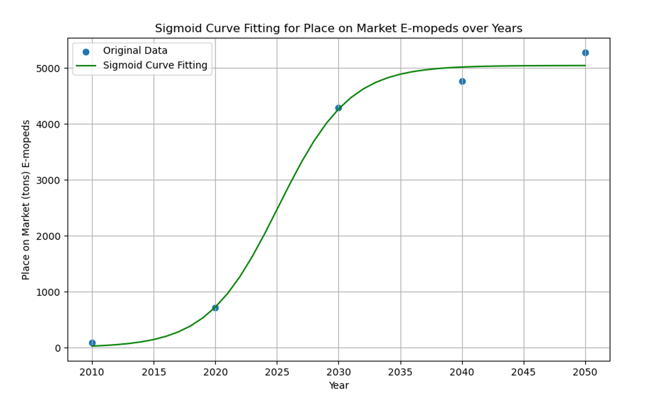
2022 | 1270.58 | 105006.27
2023 | 1629.70 | 134686.35
2024 | 2035.62 | 168232.69
2025 | 2469.55 | 204095.05
2026 | 2906.68 | 240221.51
2027 | 3321.45 | 274499.86
2028 | 3693.24 | 305226.52
2029 | 4009.90 | 331396.66
2030 | 4268.07 | 449270.12
2031 | 4471.15 | 470647.12
2032 | 4626.45 | 486994.50
2033 | 4742.66 | 499227.60
2034 | 4828.22 | 508234.20
2035 | 4890.47 | 514786.20
2036 | 4935.36 | 519511.08
2037 | 4967.52 | 522896.90
2038 | 4990.47 | 525312.20
2039 | 5006.78 | 527029.62
2040 | 5018.36 | 551467.69
2041 | 5026.55 | 552368.55
2042 | 5032.35 | 553005.87
2043 | 5036.45 | 553456.37
2044 | 5039.35 | 553774.63
2045 | 5041.39 | 553999.37
2046 | 5042.84 | 554158.04
2047 | 5043.86 | 554270.03
2048 | 5044.58 | 554349.06
2049 | 5045.08 | 554404.83
2050 | 5045.44 | 554444.18

E-Motorcycles EU27+4
LMT Application: E-Motorcycles
Year | POM Batteries [t] | POM Batteries [units] | E-Motorcycles POM batteries [t] from JRC report (MDS):
2010 | 159.07 | 2536.96 | 2010 | 52
2011 | 213.07 | 3398.17 | 2020 | 1225
2012 | 285.25 | 4549.46 | 2030 | 23358
2013 | 381.64 | 6086.75 | 2040 | 32010
2014 | 510.15 | 8136.29 | 2050 | 40131
2015 | 681.12 | 10863.12
2016 | 907.97 | 14481.10 | E-Motorcycles average weight [kg/battery] from JRC report (MDS)
2017 | 1207.85 | 19263.99 | 2020 | 62.7
2018 | 1602.39 | 25556.47 | 2030 | 42.5
2019 | 2118.18 | 33782.74 | 2040 | 38.2
2020 | 2786.92 | 44448.50
2021 | 3644.74 | 58129.83 | Approach: sigmoid curve
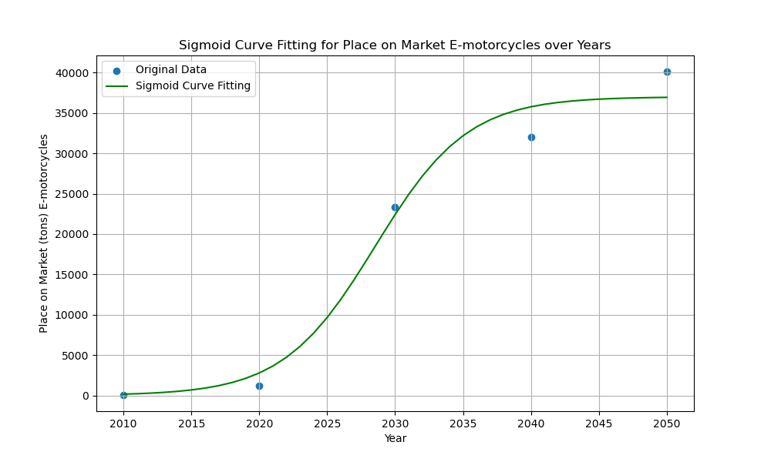
2022 | 4730.10 | 75440.21
2023 | 6079.77 | 96966.04
2024 | 7722.41 | 123164.45
2025 | 9670.10 | 154228.00
2026 | 11909.24 | 189940.04
2027 | 14393.87 | 229567.29
2028 | 17044.83 | 271847.29
2029 | 19757.44 | 315110.69
2030 | 22416.97 | 527458.16
2031 | 24917.37 | 586291.06
2032 | 27177.16 | 639462.69
2033 | 29147.79 | 685830.44
2034 | 30813.40 | 725021.23
2035 | 32184.43 | 757280.66
2036 | 33288.59 | 783261.01
2037 | 34162.30 | 803818.92
2038 | 34844.07 | 819860.41
2039 | 35370.28 | 832241.78
2040 | 35773.01 | 936466.19
2041 | 36079.25 | 944483.06
2042 | 36310.98 | 950549.30
2043 | 36485.68 | 955122.48
2044 | 36617.01 | 958560.39
2045 | 36715.53 | 961139.41
2046 | 36789.31 | 963071.05
2047 | 36844.51 | 964516.09
2048 | 36885.77 | 965596.16
2049 | 36916.59 | 966402.90
2050 | 36939.60 | 967005.18

E-Bikes EU27+4
LMT Application: E-Bikes
Year | POM Batteries [t] | POM Batteries [units] | E-Bikes POM batteries [t] from JRC report (MDS):
2010 | 1613.53 | 597603.25 | 2010 | 1601
2011 | 1700.95 | 629979.97 | 2020 | 12249
2012 | 1935.74 | 716941.05 | 2030 | 25017
2013 | 2382.83 | 882529.61 | 2040 | 28780
2014 | 3091.98 | 1145178.86 | 2050 | 32429
2015 | 4089.82 | 1514747.09
2016 | 5374.11 | 1990410.02 | E-Bike average weight [kg/battery] from JRC report (MDS)
2017 | 6912.93 | 2560345.45 | 2020 | 2.7
2018 | 8649.69 | 3203587.30 | 2030 | 2.5
2019 | 10512.75 | 3893611.44 | 2040 | 2.6
2020 | 12426.99 | 4602587.93
2021 | 14323.85 | 5305129.38
2022 | 16148.05 | 5980760.77 | Approach: sigmoid curve
2023 | 17860.30 | 6614924.33
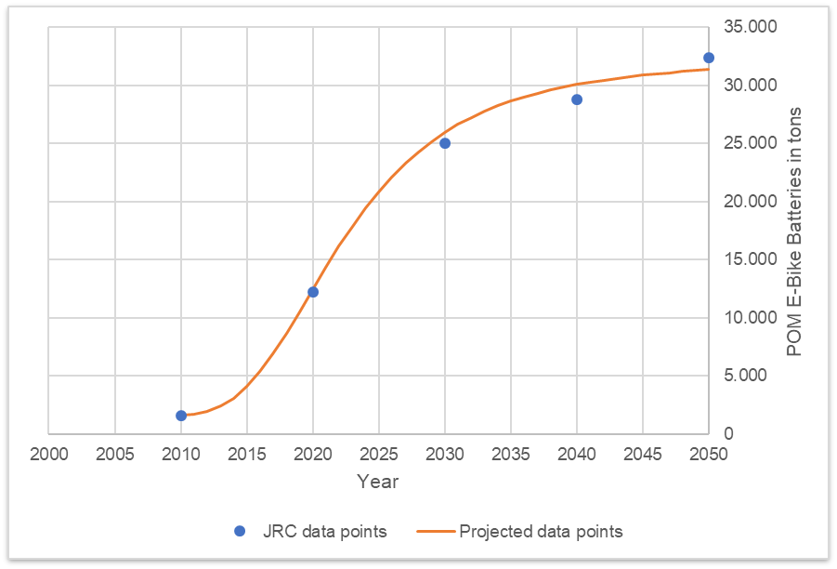
2024 | 19436.74 | 7198793.78
2025 | 20866.59 | 7728367.53
2026 | 22148.86 | 8203282.32
2027 | 23289.26 | 8625653.24
2028 | 24297.57 | 8999099.80
2029 | 25185.62 | 9328008.49
2030 | 25965.95 | 10386380.07
2031 | 26650.86 | 10660346.00
2032 | 27251.94 | 10900776.75
2033 | 27779.75 | 11111898.28
2034 | 28243.73 | 11297491.71
2035 | 28652.23 | 11460893.99
2036 | 29012.56 | 11605022.22
2037 | 29331.03 | 11732410.11
2038 | 29613.12 | 11845249.01
2039 | 29863.57 | 11945429.21
2040 | 30086.45 | 11571710.68
2041 | 30285.25 | 11648173.82
2042 | 30463.00 | 11716540.15
2043 | 30622.31 | 11777810.42
2044 | 30765.41 | 11832848.18
2045 | 30894.24 | 11882399.74
2046 | 31010.49 | 11927111.13
2047 | 31115.61 | 11967542.63
2048 | 31210.87 | 12004181.14
2049 | 31297.37 | 12037450.66
2050 | 31376.08 | 12067721.17

E-Scooter EU27+4
LMT Application: E-Scooter
Year | POM Batteries [t] | POM Batteries [units] | E-Scooter POM batteries [t] from JRC report (MDS):
2010 | 32.58 | 12068.26 | 2010 | 24
2011 | 92.26 | 34171.14 | 2020 | 5226
2012 | 250.69 | 92847.95 | 2030 | 6429
2013 | 545.06 | 201875.31 | 2040 | 8343
2014 | 993.30 | 367889.35 | 2050 | 9970
2015 | 1587.99 | 588144.51
2016 | 2297.37 | 850878.31 | E-Scooter average weight [kg/battery] from JRC report (MDS)
2017 | 3074.00 | 1138517.58 | 2020 | 2.7
2018 | 3867.18 | 1432287.82 | 2030 | 2.1
2019 | 4633.70 | 1716184.50 | 2040 | 2.1
2020 | 5343.45 | 1979057.01
2021 | 5979.97 | 2214802.69
2022 | 6537.80 | 2421408.03 | Approach: sigmoid curve
2023 | 7018.99 | 2599625.56
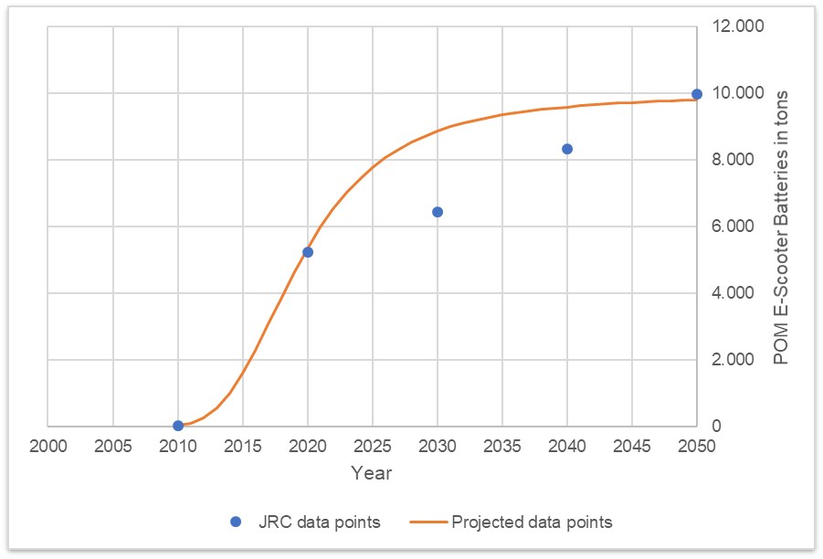
2024 | 7429.81 | 2751780.70
2025 | 7778.42 | 2880896.38
2026 | 8073.37 | 2990136.50
2027 | 8322.74 | 3082495.84
2028 | 8533.77 | 3160654.59
2029 | 8712.72 | 3226931.74
2030 | 8864.89 | 4221375.66
2031 | 8994.72 | 4283202.09
2032 | 9105.91 | 4336145.37
2033 | 9201.48 | 4381655.24
2034 | 9283.95 | 4420928.05
2035 | 9355.40 | 4454951.05
2036 | 9417.53 | 4484539.97
2037 | 9471.78 | 4510370.17
2038 | 9519.30 | 4533002.34
2039 | 9561.10 | 4552903.32
2040 | 9597.97 | 4570463.12
2041 | 9630.62 | 4586008.69
2042 | 9659.61 | 4599815.09
2043 | 9685.44 | 4612114.54
2044 | 9708.52 | 4623103.82
2045 | 9729.20 | 4632950.22
2046 | 9747.77 | 4641796.50
2047 | 9764.51 | 4649764.88
2048 | 9779.62 | 4656960.34
2049 | 9793.29 | 4663473.37
2050 | 9805.70 | 4669382.17

Small PLEVs EU27+4
LMT Application: Small PLEVs
Year | POM Batteries [t] | POM Batteries [units] | Small PLEV POM batteries [t] from JRC report (MDS):
2010 | 57.52 | 23966.00 | 2010 | 57
2011 | 61.14 | 25473.59 | 2020 | 520
2012 | 70.87 | 29527.25 | 2030 | 782
2013 | 89.43 | 37263.77 | 2040 | 1133
2014 | 119.00 | 49582.90 | 2050 | 1480
2015 | 160.84 | 67016.89
2016 | 215.11 | 89629.63 | Small PLEV average weight [kg/battery] from JRC report (MDS)
2017 | 280.76 | 116985.05 | 2020 | 2.4
2018 | 355.69 | 148206.16 | 2030 | 1.8
2019 | 437.07 | 182114.49 | 2040 | 1.8
2020 | 521.79 | 217411.86
2021 | 606.85 | 252855.55
2022 | 689.73 | 287388.52 | Approach: sigmoid curve
2023 | 768.50 | 320208.33
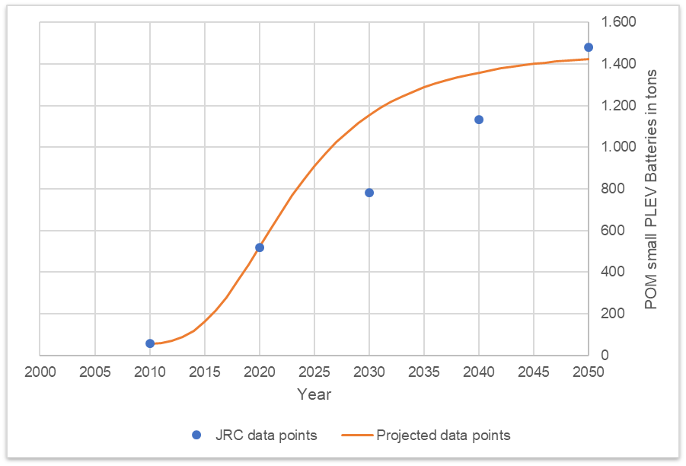
2024 | 841.87 | 350779.54
2025 | 909.14 | 378806.53
2026 | 970.05 | 404186.15
2027 | 1024.69 | 426955.46
2028 | 1073.39 | 447244.26
2029 | 1116.57 | 465236.72
2030 | 1154.74 | 641523.81
2031 | 1188.43 | 660238.62
2032 | 1218.13 | 676740.07
2033 | 1244.32 | 691290.04
2034 | 1267.43 | 704127.36
2035 | 1287.84 | 715466.10
2036 | 1305.89 | 725495.76
2037 | 1321.89 | 734382.72
2038 | 1336.09 | 742272.18
2039 | 1348.72 | 749290.39
2040 | 1359.98 | 755546.81
2041 | 1370.05 | 761136.27
2042 | 1379.05 | 766140.83
2043 | 1387.14 | 770631.55
2044 | 1394.41 | 774670.01
2045 | 1400.96 | 778309.58
2046 | 1406.87 | 781596.64
2047 | 1412.23 | 784571.49
2048 | 1417.08 | 787269.28
2049 | 1421.50 | 789720.66
2050 | 1425.51 | 791952.43

